Sheet1
Minutes Empty and Minutes Full
Month | Minutes Empty | Minutes Full | Year 3
Jan | 20074 | 12070
Feb | 30152 | 9866
Mar | 31078 | 11262
Apr | 25992 | 13278 |  | 43200 minutes per month
May | 23236 | 9802
Jun | 31756 | 18348
Jul | 20729 | 11847
Aug | 24523 | 11865
Sep | 32331 | 14320
Oct | 36675 | 17004
Nov | 24978 | 12685
Dec | 20302 | 7744

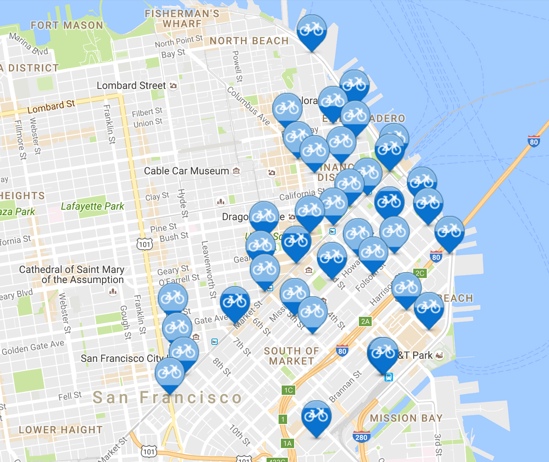
 |  | http://www.bayareabikeshare.com/stations
 | updated data thinks:
 |  | split into zones: little saigon, financial district, around the jewish museum, and the area south of folsom street
 |  | get data be like "ay this PERCENTAGE of STOPS were full/empty over the months
 |  | what is our simple prediction?
 |  | we need to know a day in advance when bikes need to be places, and have a lower amount of full/empty minute as a result

 | time splitting:
 |  | 2016-06-09 | morning commute
 |  | 2016-09-11 | early lunchers
 |  | 2016-11-03 | normal lunches?
 |  | 2016-04-08 | evening commute

 |  |  |  |  |  | each stop could only hope to have 30 hours of problem a month
 |  |  |  |  | hours of problem per month |  | hours of problem per stop |  | hours of problem per day
Year | Hour | Empty | Full |  | empty | full
 | 0:00:00 | 10589 | 6781 |  | 14.70694444 | 9.418055556 | 0.2162785948 | 0.138500817 | 0.4902314815 | 0.3139351852
 | 1:00:00 | 10807 | 6726 |  | 15.00972222 | 9.341666667 | 0.2207312092 | 0.137377451 | 0.5003240741 | 0.3113888889
 | 2:00:00 | 10957 | 7128 |  | 15.21805556 | 9.9 | 0.2237949346 | 0.1455882353 | 0.5072685185 | 0.33
 | 3:00:00 | 10883 | 7082 |  | 15.11527778 | 9.836111111 | 0.2222834967 | 0.1446486928 | 0.5038425926 | 0.3278703704
 | 4:00:00 | 10464 | 6909 |  | 14.53333333 | 9.595833333 | 0.2137254902 | 0.1411151961 | 0.4844444444 | 0.3198611111
 | 5:00:00 | 11229 | 6760 |  | 15.59583333 | 9.388888889 | 0.2293504902 | 0.1380718954 | 0.5198611111 | 0.312962963
 | 6:00:00 | 13450 | 6329 |  | 18.68055556 | 8.790277778 | 0.2747140523 | 0.1292687908 | 0.6226851852 | 0.2930092593
 | 7:00:00 | 14526 | 4173 |  | 20.175 | 5.795833333 | 0.2966911765 | 0.08523284314 | 0.6725 | 0.1931944444
 | 8:00:00 | 15664 | 3945 |  | 21.75555556 | 5.479166667 | 0.3199346405 | 0.08057598039 | 0.7251851852 | 0.1826388889
 | 9:00:00 | 22781 | 9231 |  | 31.64027778 | 12.82083333 | 0.4652982026 | 0.1885416667 | 1.054675926 | 0.4273611111
 | 10:00:00 | 15878 | 7992 |  | 22.05277778 | 11.1 | 0.3243055556 | 0.1632352941 | 0.7350925926 | 0.37
 | 11:00:00 | 11825 | 4700 |  | 16.42361111 | 6.527777778 | 0.2415236928 | 0.09599673203 | 0.5474537037 | 0.2175925926
 | 12:00:00 | 9025 | 4766 |  | 12.53472222 | 6.619444444 | 0.1843341503 | 0.09734477124 | 0.4178240741 | 0.2206481481
 | 13:00:00 | 7210 | 5435 |  | 10.01388889 | 7.548611111 | 0.1472630719 | 0.1110089869 | 0.3337962963 | 0.2516203704
 | 14:00:00 | 8965 | 6959 |  | 12.45138889 | 9.665277778 | 0.1831086601 | 0.1421364379 | 0.4150462963 | 0.3221759259
 | 15:00:00 | 9130 | 6042 |  | 12.68055556 | 8.391666667 | 0.1864787582 | 0.1234068627 | 0.4226851852 | 0.2797222222
 | 16:00:00 | 12109 | 3698 |  | 16.81805556 | 5.136111111 | 0.2473243464 | 0.07553104575 | 5 | 0.1712037037
 | 17:00:00 | 26017 | 6444 |  | 36.13472222 | 8.95 | 0.5313929739 | 0.1316176471 | 1.204490741 | 0.2983333333
 | 18:00:00 | 31448 | 9308 |  | 43.67777778 | 12.92777778 | 0.6423202614 | 0.1901143791 | 1.455925926 | 0.4309259259
 | 19:00:00 | 20444 | 7303 |  | 28.39444444 | 10.14305556 | 0.4175653595 | 0.1491625817 | 0.9464814815 | 0.3381018519
 | 20:00:00 | 11964 | 5328 |  | 16.61666667 | 7.4 | 0.2443627451 | 0.1088235294 | 0.5538888889 | 0.2466666667
 | 21:00:00 | 6624 | 4160 |  | 9.2 | 5.777777778 | 0.1352941176 | 0.08496732026 | 0.3066666667 | 0.1925925926
 | 22:00:00 | 7611 | 5987 |  | 10.57083333 | 8.315277778 | 0.1554534314 | 0.1222834967 | 0.3523611111 | 0.2771759259
 | 23:00:00 | 9526 | 6905 |  | 13.23055556 | 9.590277778 | 0.1945669935 | 0.1410334967 | 0.4410185185 | 0.3196759259

